Basin_Boundary
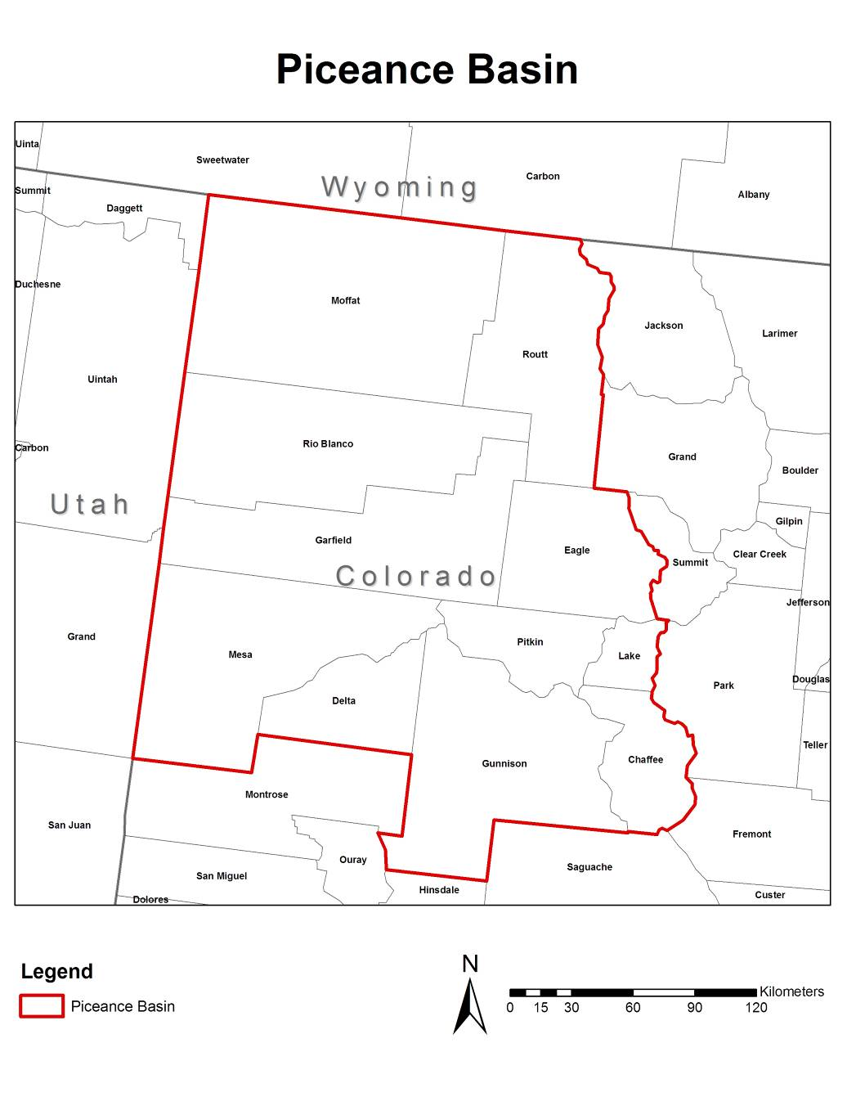
Piceance Basin Counties:
The basin boundaries are provided below, both as a list of counties and pictorially as bounded by the red line. The area encompassed by the Piceance Basin as described is the area for which emissions were estimated.

Piceance Basin Counties inlcudes Moffat, Routt, Rio Blanco, Garfield, Eagle, Mesa, Delta, Gunnison, Chaffee, Lake, and Pitkin Counties.

PM2.5-pie
Summary of Total PM2.5 Emissions Contribution by Source Cateory
 | Total PM2.5 (tons/year)
Fracing Equipment | 4
Maintenance Operation Equipment | 16
Other Relocatable Equipment | 31
Refracing Equipment | 3
Production Traffic - Running | 5
Production Traffic - Idling | 0
Maintenance Operation Traffic - Running | 1
Employee Commuter Traffic - Running | 2,070
Employee Commuter Traffic - Idling | 1
Others | 27

PM10-pie
Summary of Total PM10 Emissions Contribution by Source Cateory
 | Total PM10 (tons/yr)
Fracing Equipment | 4
Maintenance Operation Equipment | 17
Other Relocatable Equipment | 32
Refracing Equipment | 3
Production Traffic - Running | 43
Production Traffic - Idling | 0
Maintenance Operation Traffic - Running | 9
Employee Commuter Traffic - Running | 8,720
Employee Commuter Traffic - Idling | 1
Others | 189

VOC-pie
Summary of Total VOC Emissions Contribution by Source Cateory
 | Total VOC (tons/yr)
Fracing Equipment | 5
Maintenance Operation Equipment | 12
Other Relocatable Equipment | 44
Refracing Equipment | 4
Production Traffic - Running | 2
Production Traffic - Idling | 1
Maintenance Operation Traffic - Running | 0
Employee Commuter Traffic - Running | 7
Employee Commuter Traffic - Idling | 2
Others | 9

NOx-pie
Summary of NOx Emissions Contribution by Source Cateory
 | NOx (tons/yr)
Fracing Equipment | 108
Maintenance Operation Equipment | 159
Other Relocatable Equipment | 572
Refracing Equipment | 67
Production Traffic - Running | 8
Production Traffic - Idling | 4
Maintenance Operation Traffic - Running | 3
Employee Commuter Traffic - Running | 34
Employee Commuter Traffic - Idling | 8
Others | 92

PM2.5-bar
 | Fracing Equipment | Maintenance Operation Equipment | Other Relocatable Equipment | Refracing Equipment | Production Traffic - Running | Production Traffic - Idling | Maintenance Operation Traffic - Running | Employee Commuter Traffic - Running | Employee Commuter Traffic - Idling | Others
Delta | 0 | 0 | 0 | 0 | 0 | 0 | 0 | 0 | 0 | 0
Garfield | 3 | 11 | 21 | 2 | 3 | 0 | 1 | 1,431 | 0 | 23
Gunnison | 0 | 0 | 0 | 0 | 0 | 0 | 0 | 2 | 0 | 0
Mesa | 0 | 1 | 2 | 0 | 0 | 0 | 0 | 153 | 0 | 1
Moffat | 0 | 1 | 1 | 0 | 0 | 0 | 0 | 88 | 0 | 1
Rio Blanco | 0 | 3 | 6 | 1 | 1 | 0 | 0 | 391 | 0 | 3
Routt | 0 | 0 | 0 | 0 | 0 | 0 | 0 | 5 | 0 | 0

